1
1) ENGLISH ITEM NAME (ex : OOOO machine) | 2)中文名称 | 3) MANUFACTUROR (ex : OOO company) | 4) MODEL NO (ex : abc-123) | 5)Serial number | 6)CN hs code | 7)VN hs code | 8)Material | 9) VOLTAGE (ex : 220V) | 10) CAPACITY (ex :1200KW) | 11) Manufacture date (yyyy-mm-dd) | 12) ORIGIN | 13) NEW or USED | 14) PICTURE (BEFORE PACKING) | 15) PICTURE (NAME PLATE or label) | 16)Quantity | 17)cost(RMB 13%VAT) | 18)cost(USD) | 19)Total cost(USD) | 20)CARTON NO. | 21)CTN QTY | 22)G.W(KGS) | 23)N.W(KGS) | 24)Package Size(CM) | 25)Part size(CM) | 26)应用范围 | 27)是否带电源
SENSOR board double-sided tape fixture | SENSOR板贴双面胶治具 | Techsen Electronics(ShenZhen)Co.,Ltd | SP-404MK3P | SP-404MK3PF01 |  |  | 电木板 | / | / | 2026-06-22 | China | NEW | 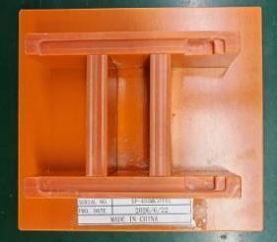 |  | 1 | 80 |  |  | Y1 | 1 | 20 | 0.3 | 65X44X26 | 14X13X3.5 | assembly use | NO
SENSOR board dividing fixture | SENSOR板分板治具 | Techsen Electronics(ShenZhen)Co.,Ltd | SP-404MK3P | SP-404MK3PF02 |  |  | 电木板 | / | / | 2026-06-22 | China | NEW | 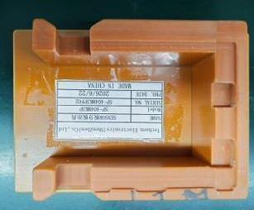 |  | 1 | 80 |  |  |  |  |  | 0.39 |  | 15X10X4.5 | assembly use | NO
Bottom shell left and right side positioning and pressure magnet fixture | 底壳左右侧定位治具 | Techsen Electronics(ShenZhen)Co.,Ltd | SP-404MK3P | SP-404MK3PF03 |  |  | 电木板+铁 | / | / | 2026-06-22 | China | NEW |  |  | 1 | 220 |  |  |  |  |  | 1.62 |  | 30X18X20 | assembly use | NO
Welding horn wire fixture | 焊喇叭线治具 | Techsen Electronics(ShenZhen)Co.,Ltd | SP-404MK3P | SP-404MK3PF06 |  |  | 电木板 | / | / | 2026-06-22 | China | NEW |  |  | 1 | 80 |  |  |  |  |  | 0.62 |  | 31X7.5X5 | assembly use | NO
Small horn shell adhesive EV cotton positioning fixture | 小喇叭壳贴EV棉定位治具 | Techsen Electronics(ShenZhen)Co.,Ltd | SP-404MK3P | SP-404MK3PF07 |  |  | 电木板 | / | / | 2026-06-22 | China | NEW |  |  | 1 | 80 |  |  |  |  |  | 0.21 |  | 16.5X9X2 | assembly use | NO
Lock bottom shell left and right horn screw fixture | 锁底壳左右侧喇叭螺丝治具 | Techsen Electronics(ShenZhen)Co.,Ltd | SP-404MK3P | SP-404MK3PF08 |  |  | 电木板 | / | / | 2026-06-22 | China | NEW |  |  | 1 | 80 |  |  |  |  |  | 1.9 |  | 56X15X20 | assembly use | NO
锁底壳左右侧喇叭螺丝治具 | 固定底壳组装治具 | Techsen Electronics(ShenZhen)Co.,Ltd | SP-404MK3P | SP-404MK3PF09 |  |  | 电木板 | / | / | 2026-06-22 | China | NEW | 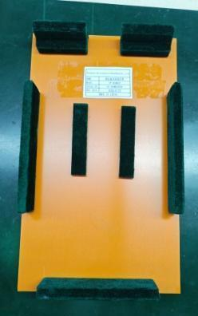 |  | 12 | 80 |  |  |  |  |  | 11 |  | 32X22X3.5 | assembly use | NO
Big horn pasting EV cotton positioning and welding wire fixture | 大喇叭粘贴EV棉定位及焊线治具 | Techsen Electronics(ShenZhen)Co.,Ltd | SP-404MK3P | SP-404MK3PF10 |  |  | 电木板 | / | / | 2026-06-22 | China | NEW | 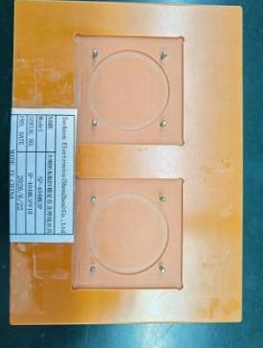 |  | 1 | 80 |  |  |  |  |  | 0.19 |  | 18X13X1 | assembly use | NO
PANEL board and FRONT board splitting fixture | PANEL板与FRONT板分板治具 | Techsen Electronics(ShenZhen)Co.,Ltd | SP-404MK3P | SP-404MK3PF11 |  |  | 电木板 | / | / | 2026-06-22 | China | NEW | 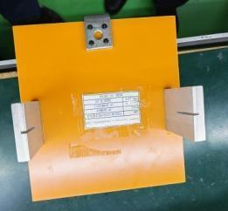 |  | 1 | 80 |  |  |  |  |  | 1 |  | 34.5X21X10.5 | assembly use | NO
Lock VR Nut Fixture | 锁VR螺母治具 | Techsen Electronics(ShenZhen)Co.,Ltd | SP-404MK3P | SP-404MK3PF12 |  |  | 电木板 | / | / | 2026-06-22 | China | NEW | 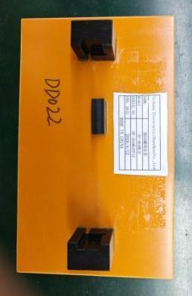 |  | 1 | 80 |  |  |  |  |  | 0.35 |  | 23X14X4.5 | assembly use | NO
Side shrapnel height measurement fixture | 侧面弹片高度测量治具 | Techsen Electronics(ShenZhen)Co.,Ltd | SP-404MK3P | SP-404MK3PF13 |  |  | 亚加历 | / | / | 2026-06-22 | China | NEW | 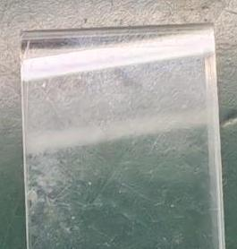 |  | 1 | 80 |  |  |  |  |  | 0.34 |  | 23X14X3.5 | assembly use | NO
FFC line processing fixture | FFC线加工治具 | Techsen Electronics(ShenZhen)Co.,Ltd | SP-404MK3P | SP-404MK3PF14 |  |  | 电木板 | / | / | 2026-06-22 | China | NEW | 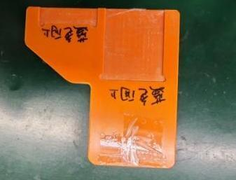 |  | 1 | 50 |  |  |  |  |  | 0.05 |  | 9.5X9.5X0.6 | assembly use | NO
Lock bottom shell top screw fixture | 锁底壳顶部螺丝治具 | Techsen Electronics(ShenZhen)Co.,Ltd | SP-404MK3P | SP-404MK3PF15 |  |  | 电木板 | / | / | 2026-06-22 | China | NEW |  |  | 1 | 80 |  |  |  |  |  | 0.6 |  | 25XX15X13 | Tooling | NO
FFC line processing fixture | FFC线加工治具 | Techsen Electronics(ShenZhen)Co.,Ltd | SP-404MK3P | SP-404MK3PF16 |  |  | 电木板 | / | / | 2026-06-22 | China | NEW | 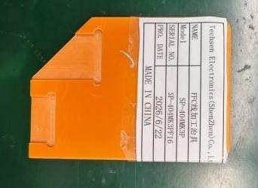 |  | 1 | 50 |  |  |  |  |  | 0.04 |  | 9X6.5X0.6 | assembly use | NO
Surface shell magnet positioning and pressure fixture | 面壳贴铁片定位治具 | Techsen Electronics(ShenZhen)Co.,Ltd | SP-404MK3P | SP-404MK3PF17 |  |  | 电木板+铁 | / | / | 2026-06-22 | China | NEW | 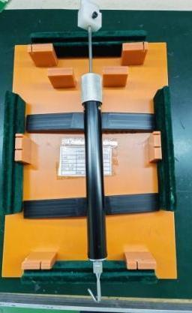 |  | 1 | 150 |  |  | Y2 | 1 | 28 | 1.4 | 70X56X36 | 36X22X4.5 | assembly use | NO
VR Iron Sheet Adhesive EV Cotton Fixture | VR铁片贴EV棉治具 | Techsen Electronics(ShenZhen)Co.,Ltd | SP-404MK3P | SP-404MK3PF18 |  |  | 电木板 | / | / | 2026-06-22 | China | NEW |  | 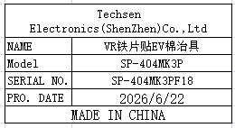 | 1 | 50 |  |  |  |  |  | 0.25 |  | 13X10X2 | assembly use | NO
Lock face shell VR board fixture | 锁面壳VR板治具 | Techsen Electronics(ShenZhen)Co.,Ltd | SP-404MK3P | SP-404MK3PF19 |  |  | 电木板 | / | / | 2026-06-22 | China | NEW | 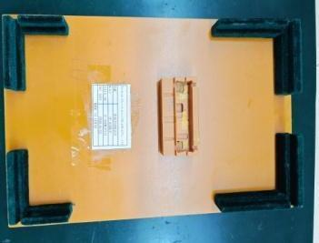 | 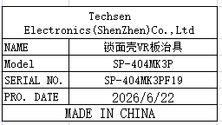 | 1 | 80 |  |  |  |  |  | 0.8 |  | 32X22X3.5 | assembly use | NO
Install buttons, LCD lenses, and pressure fixtures | 装按钮、LCD透镜及加压治具 | Techsen Electronics(ShenZhen)Co.,Ltd | SP-404MK3P | SP-404MK3PF20 |  |  | 电木板 | / | / | 2026-06-22 | China | NEW |  |  | 1 | 180 |  |  |  |  |  | 1.2 |  | 36X22X8 | assembly use | NO
Fixed surface shell assembly fixture | 固定面壳组装治具 | Techsen Electronics(ShenZhen)Co.,Ltd | SP-404MK3P | SP-404MK3PF22 |  |  | 电木板 | / | / | 2026-06-22 | China | NEW | 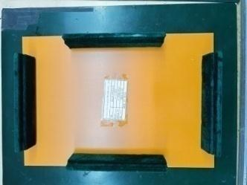 |  | 9 | 80 |  |  |  |  |  | 8.1 |  | 32X22X5 | assembly use | NO
PANEL Board Adhesive EV Cotton Fixture | PANEL板贴EV棉治具 | Techsen Electronics(ShenZhen)Co.,Ltd | SP-404MK3P | SP-404MK3PF23 |  |  | 电木板 | / | / | 2026-06-22 | China | NEW | 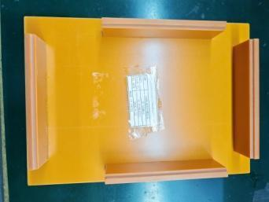 | 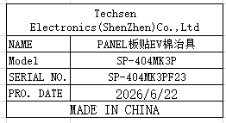 | 1 | 80 |  |  |  |  |  | 0.82 |  | 30X21X4.5 | assembly use | NO
Install LCD and pressure fixture | 装LCD及加压治具 | Techsen Electronics(ShenZhen)Co.,Ltd | SP-404MK3P | SP-404MK3PF24 |  |  | 电木板+铁 | / | / | 2026-06-22 | China | NEW | 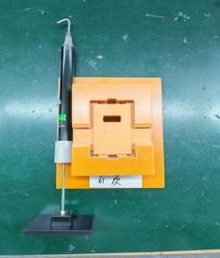 | 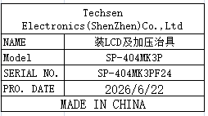 | 1 | 175 |  |  |  |  |  | 0.6 |  | 27.5X12X4.5 | assembly use | NO
PANEL board mounted LCD screen fixture | PANEL板装LCD屏治具 | Techsen Electronics(ShenZhen)Co.,Ltd | SP-404MK3P | SP-404MK3PF25 |  |  | 电木板 | / | / | 2026-06-22 | China | NEW | 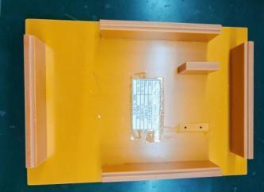 | 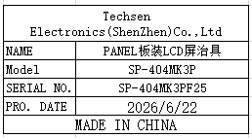 | 1 | 80 |  |  |  |  |  | 0.85 |  | 30X21X4.5 | assembly use | NO
PANEL board iron plate height measurement fixture | PANEL板铁片高度测量治具 | Techsen Electronics(ShenZhen)Co.,Ltd | SP-404MK3P | SP-404MK3PF26 |  |  | 亚加历 | / | / | 2026-06-22 | China | NEW |  | 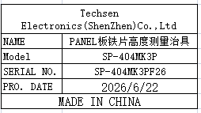 | 2 | 30 |  |  |  |  |  | 0.03 |  | 3.5X4X0.5 | assembly use | NO
Lock PANEL board screw protective cover fixture | 锁PANEL板螺丝防护盖治具 | Techsen Electronics(ShenZhen)Co.,Ltd | SP-404MK3P | SP-404MK3PF27 |  |  | 亚加历 | / | / | 2026-06-22 | China | NEW | 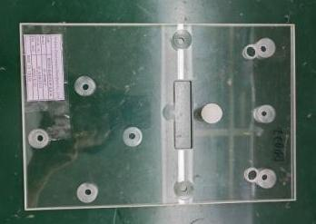 | 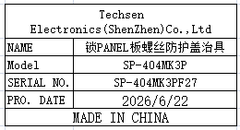 | 1 | 40 |  |  |  |  |  | 0.4 |  | 30X19.5X3.5 | assembly use | NO
FFC line processing fixture | FFC线加工治具 | Techsen Electronics(ShenZhen)Co.,Ltd | SP-404MK3P | SP-404MK3PF28 |  |  | 电木板 | / | / | 2026-06-22 | China | NEW |  |  | 1 | 50 |  |  |  |  |  | 0.04 |  | 10X5X0.5 | assembly use | NO
Insert FFC cable and lock screw fixture for bottom shell | 插FFC线及合底面壳锁螺丝治具 | Techsen Electronics(ShenZhen)Co.,Ltd | SP-404MK3P | SP-404MK3PF29 |  |  | 电木板 | / | / | 2026-06-22 | China | NEW | 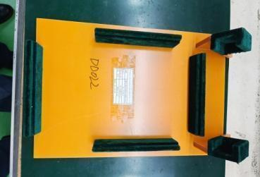 |  | 1 | 80 |  |  |  |  |  | 1.3 |  | 37X25X10 | assembly use | NO
Positioning iron plate and pressure fixture for the right aluminum strip | 右侧铝条定位装铁片及加压治具 | Techsen Electronics(ShenZhen)Co.,Ltd | SP-404MK3P | SP-404MK3PF30 |  |  | 电木板+铁 | / | / | 2026-06-22 | China | NEW |  | 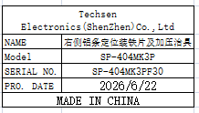 | 1 | 190 |  |  |  |  |  | 0.8 |  | 36X11.5X6 | assembly use | NO
Left aluminum strip positioning iron plate and pressure fixture | 左侧铝条定位装铁片及加压治具 | Techsen Electronics(ShenZhen)Co.,Ltd | SP-404MK3P | SP-404MK3PF31 |  |  | 电木板 | / | / | 2026-06-22 | China | NEW |  | 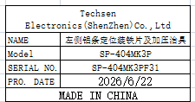 | 1 | 100 |  |  |  |  |  | 0.6 |  | 33X11.5X6 | assembly use | NO
Height measurement fixture for iron plates on the left and right sides of the host | 主机左右侧铁片高度测量治具 | Techsen Electronics(ShenZhen)Co.,Ltd | SP-404MK3P | SP-404MK3PF32 |  |  | 亚加历 | / | / | 2026-06-22 | China | NEW |  | 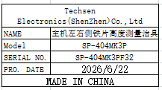 | 1 | 20 |  |  |  |  |  | 0.01 |  | 3.5X2.5X0.5 | assembly use | NO
Install the aluminum bar fixture on the right side of the host | 装主机右侧铝条治具 | Techsen Electronics(ShenZhen)Co.,Ltd | SP-404MK3P | SP-404MK3PF33 |  |  | 电木板 | / | / | 2026-06-22 | China | NEW |  | 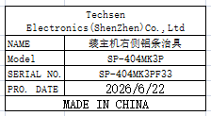 | 2 | 80 |  |  |  |  |  | 1.5 |  | 34.5X15X11 | assembly use | NO
Install the aluminum bar fixture on the left side of the host | 装主机左侧铝条治具 | Techsen Electronics(ShenZhen)Co.,Ltd | SP-404MK3P | SP-404MK3PF34 |  |  | 电木板 | / | / | 2026-06-22 | China | NEW |  | 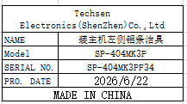 | 2 | 80 |  |  |  |  |  | 1.48 |  | 34.5X15X11 | assembly use | NO
Inscription sticker EV cotton positioning fixture | 铭片贴EV棉定位治具 | Techsen Electronics(ShenZhen)Co.,Ltd | SP-404MK3P | SP-404MK3PF35 |  |  | 电木板 | / | / | 2026-06-22 | China | NEW |  | 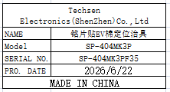 | 1 | 80 |  |  |  |  |  | 0.35 |  | 22X17.5X1.5 | assembly use | NO
Mingpian Tie Tie Tie Pin Positioning Fixture | 铭片贴铁片定位治具 | Techsen Electronics(ShenZhen)Co.,Ltd | SP-404MK3P | SP-404MK3PF36 |  |  | 电木板 | / | / | 2026-06-22 | China | NEW |  | 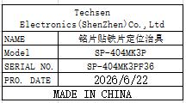 | 1 | 80 |  |  |  |  |  | 0.6 |  | 32.5X19.5X2 | assembly use | NO
Iron height measuring fixture | 铁片高度测量治具 | Techsen Electronics(ShenZhen)Co.,Ltd | SP-404MK3P | SP-404MK3PF38 |  |  | 亚加历 | / | / | 2026-06-22 | China | NEW |  | 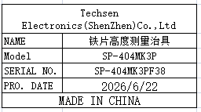 | 1 | 20 |  |  |  |  |  | 0.01 |  | 4X2.5X0.5 | assembly use | NO
PANEL board and FRONT board soldering fixture | PANEL板及FRONT板执锡治具 | Techsen Electronics(ShenZhen)Co.,Ltd | SP-404MK3P | SP-404MK3PF39 |  |  | 电木板 | / | / | 2026-06-22 | China | NEW | 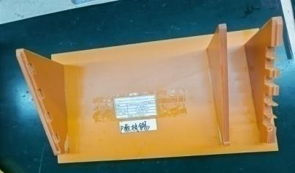 | 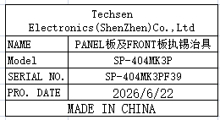 | 1 | 80 |  |  |  |  |  | 1 |  | 34.5X21X10.5 | assembly use | NO
Main board soldering fixture | MAIN板执锡治具 | Techsen Electronics(ShenZhen)Co.,Ltd | SP-404MK3P | SP-404MK3PF40 |  |  | 电木板 | / | / | 2026-06-22 | China | NEW | 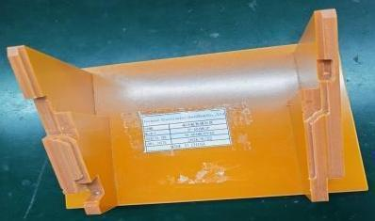 | 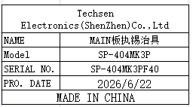 | 1 | 80 |  |  |  |  |  | 0.65 |  | 22X14.5X10.5 | assembly use | NO
SESOR board soldering fixture | SESOR板执锡治具 | Techsen Electronics(ShenZhen)Co.,Ltd | SP-404MK3P | SP-404MK3PF41 |  |  | 电木板 | / | / | 2026-06-22 | China | NEW | 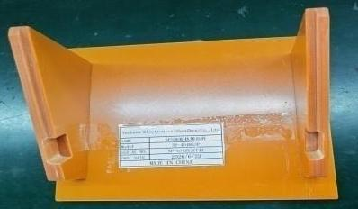 | 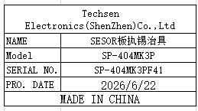 | 1 | 80 |  |  |  |  |  | 0.4 |  | 17.5X14.5X8 | assembly use | NO
Motherboard edge fixture | 主板分板边治具 | Techsen Electronics(ShenZhen)Co.,Ltd | SP-404MK3P | SP-404MK3PF42 |  |  | 电木板+铝 | / | / | 2026-06-22 | China | NEW |  | 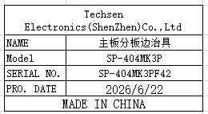 | 1 | 80 |  |  |  |  |  | 0.56 |  | 22X15X11.5 | assembly use | NO
Horn wire sticking EV cotton fixture | 喇叭线贴EV棉治具 | Techsen Electronics(ShenZhen)Co.,Ltd | SP-404MK3P | SP-404MK3PF43 |  |  | 电木板 | / | / | 2026-06-22 | China | NEW |  | 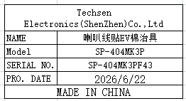 | 1 | 80 |  |  |  |  |  | 0.73 |  | 25X15X9 | assembly use | NO
Fixed bottom shell assembly fixture | 固定底壳组装治具 | Techsen Electronics(ShenZhen)Co.,Ltd | SP-404MK3 | SP-404MK3F03 |  |  | 电木板 | / | / | 2026-06-22 | China | NEW |  |  | 4 | 80 |  |  | Y3 | 1 | 22 | 3.5 | 70X56X36 | 31X22X4.5 | assembly use | NO
PANEL board and FRONT board splitting fixture | PANEL板与FRONT板分板治具 | Techsen Electronics(ShenZhen)Co.,Ltd | SP-404MK3 | SP-404MK3F04 |  |  | 电木板+铝 | / | / | 2026-06-22 | China | NEW |  | 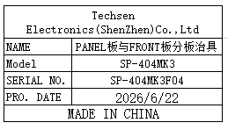 | 1 | 80 |  |  |  |  |  | 0.7 |  | 19.5X19X18 | assembly use | NO
Lock VR Nut Fixture | 锁VR螺母治具 | Techsen Electronics(ShenZhen)Co.,Ltd | SP-404MK3 | SP-404MK3F05 |  |  | 电木板 | / | / | 2026-06-22 | China | NEW | 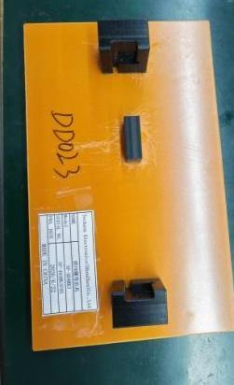 | 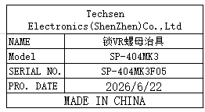 | 1 | 80 |  |  |  |  |  | 0.34 |  | 23X14X3.5 | assembly use | NO
FFC line processing fixture | FFC线加工治具 | Techsen Electronics(ShenZhen)Co.,Ltd | SP-404MK3 | SP-404MK3F06 |  |  | 电木板 | / | / | 2026-06-22 | China | NEW |  |  | 1 | 50 |  |  |  |  |  | 0.04 |  | 10X9X0.6 | assembly use | NO
Lock bottom shell top screw fixture | 锁底壳顶部螺丝治具 | Techsen Electronics(ShenZhen)Co.,Ltd | SP-404MK3 | SP-404MK3F07 |  |  | 电木板 | / | / | 2026-06-22 | China | NEW |  | 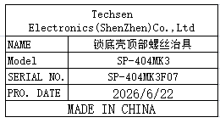 | 1 | 80 |  |  |  |  |  | 0.6 |  | 25X15X11 | assembly use | NO
FFC line processing fixture | FFC线加工治具 | Techsen Electronics(ShenZhen)Co.,Ltd | SP-404MK3 | SP-404MK3F08 |  |  | 电木板 | / | / | 2026-06-22 | China | NEW |  |  | 1 | 50 |  |  |  |  |  | 0.04 |  | 9X6.5X0.6 | assembly use | NO
Surface shell magnet positioning and pressure fixture | 面壳贴铁片定位及加压治具 | Techsen Electronics(ShenZhen)Co.,Ltd | SP-404MK3 | SP-404MK3F09 |  |  | 电木板+铁 | / | / | 2026-06-22 | China | NEW |  |  | 1 | 150 |  |  |  |  |  | 1.25 |  | 31X22X4.5 | assembly use | NO
Install buttons, LCD lenses, and pressure fixtures | 装按钮、LCD透镜及加压治具 | Techsen Electronics(ShenZhen)Co.,Ltd | SP-404MK3 | SP-404MK3F10 |  |  | 电木板+铁 | / | / | 2026-06-22 | China | NEW |  | 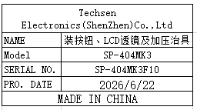 | 1 | 180 |  |  |  |  |  | 1.25 |  | 35X22X7 | assembly use | NO
Fixed surface shell assembly fixture | 固定面壳组装治具 | Techsen Electronics(ShenZhen)Co.,Ltd | SP-404MK3 | SP-404MK3F11 |  |  | 电木板+铁 | / | / | 2026-06-22 | China | NEW | 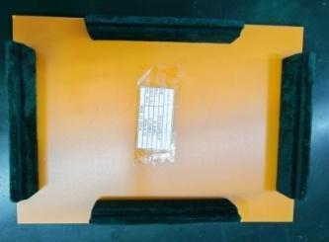 | 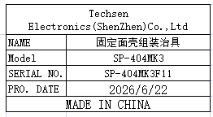 | 4 | 80 |  |  |  |  |  | 4.5 |  | 31X22X4.5 | assembly use | NO
Install LCD and pressure fixture | 装LCD及加压治具 | Techsen Electronics(ShenZhen)Co.,Ltd | SP-404MK3 | SP-404MK3F12 |  |  | 电木板+铁 | / | / | 2026-06-22 | China | NEW |  | 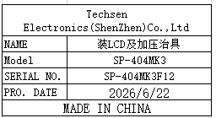 | 1 | 175 |  |  |  |  |  | 0.6 |  | 27X12X4.5 | assembly use | NO
PANEL board mounted LCD screen fixture | PANEL板装LCD屏治具 | Techsen Electronics(ShenZhen)Co.,Ltd | SP-404MK3 | SP-404MK3F13 |  |  | 电木板 | / | / | 2026-06-22 | China | NEW |  | 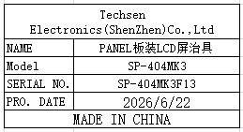 | 1 | 80 |  |  |  |  |  | 0.85 |  | 31X22X4.5 | assembly use | NO
PANEL board iron plate height measurement fixture | PANEL板铁片高度测量治具 | Techsen Electronics(ShenZhen)Co.,Ltd | SP-404MK3 | SP-404MK3F14 |  |  | 亚加历 | / | / | 2026-06-22 | China | NEW |  | 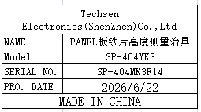 | 2 | 30 |  |  |  |  |  | 0.03 |  | 4X3X0.5 | assembly use | NO
Lock PANEL board screw protective cover fixture | 锁PANEL板螺丝防护盖治具 | Techsen Electronics(ShenZhen)Co.,Ltd | SP-404MK3 | SP-404MK3F15 |  |  | 亚加历 | / | / | 2026-06-22 | China | NEW |  |  | 1 | 50 |  |  |  |  |  | 0.36 |  | 28X18.5X3 | assembly use | NO
Insert FFC cable and lock screw fixture for bottom shell | 插FFC线及合底面壳锁螺丝治具 | Techsen Electronics(ShenZhen)Co.,Ltd | SP-404MK3 | SP-404MK3F16 |  |  | 电木板 | / | / | 2026-06-22 | China | NEW |  |  | 1 | 80 |  |  |  |  |  | 1.3 |  | 37X25X10 | assembly use | NO
Mingpian Tie Tie Tie Pin Positioning Fixture | 铭片贴铁片定位治具 | Techsen Electronics(ShenZhen)Co.,Ltd | SP-404MK3 | SP-404MK3F17 |  |  | 电木板 | / | / | 2026-06-22 | China | NEW |  |  | 1 | 80 |  |  |  |  |  | 0.6 |  | 32.5X19.5X1.5 | assembly use | NO
Iron height measuring fixture | 铁片高度测量治具 | Techsen Electronics(ShenZhen)Co.,Ltd | SP-404MK3 | SP-404MK3F19 |  |  | 亚加历 | / | / | 2026-06-22 | China | NEW |  |  | 1 | 30 |  |  |  |  |  | 0.01 |  | 4X2.5X0.5 | assembly use | NO
PANEL board and FRONT board soldering fixture | PANEL板及FRONT板执锡治具 | Techsen Electronics(ShenZhen)Co.,Ltd | SP-404MK3 | SP-404MK3F20 |  |  | 电木板 | / | / | 2026-06-22 | China | NEW |  |  | 1 | 80 |  |  |  |  |  | 1 |  | 33X20X10 | assembly use | NO
Main board soldering fixture | MAIN板执锡治具 | Techsen Electronics(ShenZhen)Co.,Ltd | SP-404MK3 | SP-404MK3F21 |  |  | 电木板 | / | / | 2026-06-22 | China | NEW |  |  | 1 | 80 |  |  |  |  |  | 0.7 |  | 23X15X9 | assembly use | NO
Motherboard edge fixture | 主板分板边治具 | Techsen Electronics(ShenZhen)Co.,Ltd | SP-404MK3 | SP-404MK3F22 |  |  | 电木板+铝 | / | / | 2026-06-22 | China | NEW |  |  | 1 | 80 |  |  |  |  |  | 0.5 |  | 20X15X12 | assembly use | NO
Black tape length processing fixture | 黑胶布长度加工治具 | Techsen Electronics(ShenZhen)Co.,Ltd | SP-404MK3 | SP-404MK3F23 |  |  | 电木板 | / | / | 2026-06-22 | China | NEW |  |  | 1 | 50 |  |  |  |  |  | 1 |  | 60X20X0.5 | assembly use | NO
FCT JIG | PCBA测试架 | Techsen Electronics(ShenZhen)Co.,Ltd | SP-404MK3 | SP-404MK3P01 |  |  | 电木板+铝+亚加历 | / | / | 2026-06-22 | China | NEW |  |  | 1 | 300 |  |  | Y4 | 1 | 13 | 9.2 | 57x41x26 | 54X43X15 | PCBA TEST use | NO
FCT JIG | PCBA测试架 | Techsen Electronics(ShenZhen)Co.,Ltd | SP-404MK3P | SP-404MK3PP01 |  |  | 电木板+铝+亚加历 | / | / | 2026-06-22 | China | NEW |  |  | 1 | 300 |  |  | Y5 | 1 | 13 | 9.4 | 57x41x26 | 54X42X26 | PCBA TEST use | NO
Pressure battery compartment slingshot beer machine fixture | 压电池仓弹弓啤机治具 | Techsen Electronics(ShenZhen)Co.,Ltd | SP-404MK3 | SP-404MK3F01 |  |  | 电木板+铁 | / | / | 2026-06-22 | China | NEW |  |  | 1 | 390 |  |  | Y6 (4个) Y10 (3个) | 2(需打木箱) |  | 15.2 | 待打木箱确定定 | 26X28X60 | assembly use | NO
Top Business Card Beer Machine Fixture for Pressing Bottom Shell | 压底壳顶部名片啤机治具 | Techsen Electronics(ShenZhen)Co.,Ltd | SP-404MK3 | SP-404MK3F02 |  |  | 电木板+铁+塑胶 | / | / | 2026-06-22 | China | NEW |  |  | 1 | 600 |  |  |  |  |  | 19.7 |  | 23X30X76 | assembly use | NO
Pressure battery compartment slingshot beer machine fixture | 压电池仓弹弓啤机治具 | Techsen Electronics(ShenZhen)Co.,Ltd | SP-404MK3P | SP-404MK3PF04 |  |  | 电木板+铁 | / | / | 2026-06-22 | China | NEW |  |  | 1 | 390 |  |  |  |  |  | 16 |  | 26X29X62 | assembly use | NO
Top Business Card Beer Machine Fixture for Pressing Bottom Shell | 压底壳顶部名片啤机治具 | Techsen Electronics(ShenZhen)Co.,Ltd | SP-404MK3P | SP-404MK3PF05 |  |  | 电木板+铁+塑胶 | / | / | 2026-06-22 | China | NEW |  |  | 1 | 600 |  |  |  |  |  | 20 |  | 24X30X80 | assembly use | NO
Pressure engraved iron plate beer machine fixture | 压铭片铁片啤机治具 | Techsen Electronics(ShenZhen)Co.,Ltd | SP-404MK3 | SP-404MK3F18 |  |  | 电木板+铁+塑胶 | / | / | 2026-06-22 | China | NEW |  |  | 1 | 600 |  |  |  |  |  | 18 |  | 33X35X64 | assembly use | NO
Install SENSOR board adhesive parts and beer machine pressure fixture | 装SENSOR板入胶件及啤机加压治具 | Techsen Electronics(ShenZhen)Co.,Ltd | SP-404MK3P | SP-404MK3PF21 |  |  | 电木板+铁+塑胶 | / | / | 2026-06-22 | China | NEW |  |  | 1 | 600 |  |  |  |  |  | 15.6 |  | 20X30X67 | assembly use | NO
Pressure engraved iron plate beer machine fixture | 压铭片铁片啤机治具 | Techsen Electronics(ShenZhen)Co.,Ltd | SP-404MK3P | SP-404MK3PF37 |  |  | 电木板+铁+塑胶 | / | / | 2026-06-22 | China | NEW |  |  | 1 | 600 |  |  |  |  |  | 17.8 |  | 33X36X65 | assembly use | NO

